Customer Proposal and App
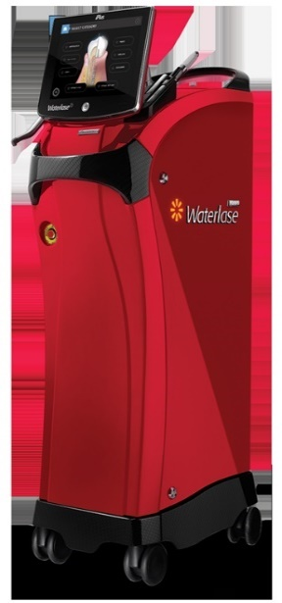
Deferred Payment Options for Biolase Equipment

12-Sep-19
Prepared for: | ABC Dental Practice LLC
Equipment: | Waterlase
Equipment Cost: | $75,000.00
Prepared by: | Ryan Meardon, 888-479-9111,

 | 36 | 48 | 60 | 72 | 84
30 Day Deferred | $2,256.25 | $1,735.70 | $1,423.95 | $1,216.59 | $1,068.88
90 Day Deferred | $2,275.65 | $1,750.55 | $1,436.06 | $1,226.88 | N/A

 |  | 6 Month Deferral Promotion! 6 Mos. @ $0.00 Followed by:
 | 36 | 48 | 60 | 72 | 78
 | $2,306.03 | $1,774.01 | $1,455.37 | $1,243.43 | $1,162.09
Payments are excluding applicable taxes (if any). Your finance quote is valid for 30 days from the proposal date.
There will be a one-time $119 documentation fee assessed on the first invoice.
Finance Application
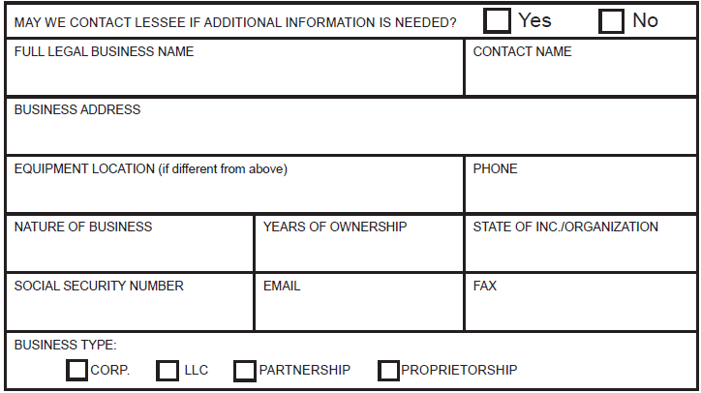
 |  |  |  |  | POTENTIAL TAX SAVINGS

 |  |  |  |  | Section 179 Deduction
 |  |  |  |  | $75,000.00
 |  |  |  |  | $1MM is the max 179 write off.

 |  |  |  |  | Cash Savings Assuming Rate of 35%:
 |  |  |  |  | of 21%
 |  |  |  |  | $15,750.00

 |  |  |  |  | Lowered Cost of Equipment
 |  |  |  |  | After Tax Savings
 |  |  |  |  | $59,250.00
 |  |  |  |  | *Credit & equipment restrictions apply. This program does not assume your company will qualify to take advantage of the IRS Section #179 depreciation schedule which allows rapid first year depreciation of certain assets acquired. The amount of previous depreciation your company may have used may affect your ability to utilize the elections. This calculation is not tax advice, it is a potential tax scenario based on assumptions that may not apply to your business. Please consult your tax advisor to determine the actual tax treatment in acquiring this equipment for your business. Equipment must be purchased and placed in service by 12/31/2019.

The person(s) supplying the above information certies to Marlin Leasing Corporation that it is true and correct. The Owners/Partners/Guarantors recognize that their individual credit histories may be a factor in the evaluation of the lease applicant and, thus, authorize Marlin Leasing Corporation or its designee to investigate their personal credit status. This includes obtaining and using their consumer credit reports from time to time in the credit evaluation and collection processes.
X___________________________________________ |  |  | X_______________
Authorized Signature |  |  | Date
Send the completed aplication to:
Kathy Cro, Central & West |  |  | Breeze Keller, Northeast and Southeast
Phone: 856-505-4268 |  |  | Phone: 856-505-4195
kcro@marlincapitalsolutions.com |  |  | breezekeller@marlincapitalsolutions.com

Epic 0% Proposal and App
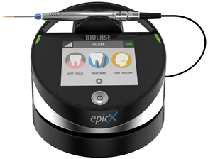

Limited Time Only: 12 Months 0% Financing!

12-Sep-19
Prepared for: | ABC Dental Practice LLC
Equipment: | Waterlase
Equipment Cost: | $75,000.00
Prepared by: | Ryan Meardon, 888-479-9111,

 |  | 12 Payments
 |  | $6,250.00

Payments are excluding applicable taxes (if any). Your finance quote is valid for 30 days from the proposal date.
There will be a one-time $119 documentation fee assessed on the first invoice.
Finance Application

 |  |  |  | POTENTIAL TAX SAVINGS

 |  |  |  | Section 179 Deduction
 |  |  |  | $75,000.00
 |  |  |  | $1MM is the max 179 write off.

 |  |  |  | Cash Savings Assuming Rate of 35%:
 |  |  |  | of 21%
 |  |  |  | $15,750.00

 |  |  |  | Lowered Cost of Equipment
 |  |  |  | After Tax Savings
 |  |  |  | $59,250.00
 |  |  |  | *Credit & equipment restrictions apply. This program does not assume your company will qualify to take advantage of the IRS Section #179 depreciation schedule which allows rapid first year depreciation of certain assets acquired. The amount of previous depreciation your company may have used may affect your ability to utilize the elections. This calculation is not tax advice, it is a potential tax scenario based on assumptions that may not apply to your business. Please consult your tax advisor to determine the actual tax treatment in acquiring this equipment for your business. Equipment must be purchased and placed in service by 12/31/2019.

The person(s) supplying the above information certies to Marlin Leasing Corporation that it is true and correct. The Owners/Partners/Guarantors recognize that their individual credit histories may be a factor in the evaluation of the lease applicant and, thus, authorize Marlin Leasing Corporation or its designee to investigate their personal credit status. This includes obtaining and using their consumer credit reports from time to time in the credit evaluation and collection processes.
X___________________________________________ |  |  | X_______________
Authorized Signature |  |  | Date
Send the completed aplication to:
Kathy Cro, Central & West |  |  | Breeze Keller, Northeast and Southeast
Phone: 856-505-4268 |  |  | Phone: 856-505-4195
kcro@marlincapitalsolutions.com |  |  | breezekeller@marlincapitalsolutions.com

